PP
 | J-1772

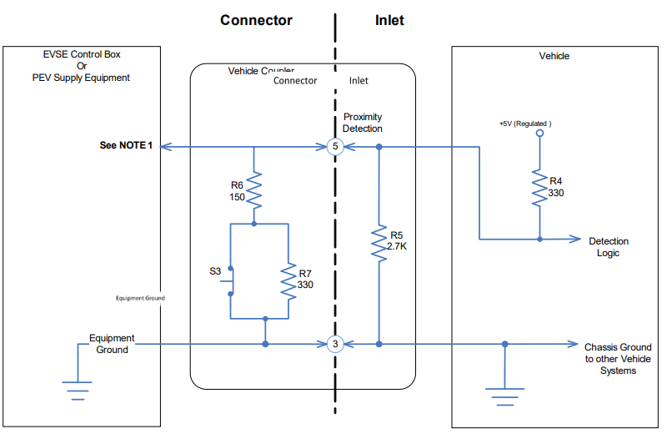

Proximity Circuit Component Parameters |  |  |  |  | Proximity Circuit Voltage Parameters
Symbol | Nominal Value | Max Value | Min Value | Tolerance | Description | Min V | Nominal | Max V
5Vdc | 5 | 5.25 | 4.75 | 5% | Pin 5-Pin 3 Not connected, EV side | 4.13 | 4.46 | 4.78
R4 | 330 | 363 | 297 | 10% | Pin 5-Pin 3 Plugged in, S3 released | 1.23 | 1.53 | 1.82
R5 | 2700 | 2970 | 2430 |  | Pin 5-Pin 3 Plugged in, S3 pressed | 2.38 | 2.77 | 3.16
R6 | 150 | 165 | 135 |  | Pin 5-Pin 3 Not connected, EVSE side | -0.1 | 0 | 0.1
R7 | 330 | 363 | 297

 |  |  |  |  | Scenarios
PP monitoring optional for AC, mandatory for DC Modulate voltage and/or resistance? |  |  |  |  | Description | 5V | R4 | R5 | R6 | R7 | PP V
 |  |  |  |  | Nominal NC, EV side | 5 | 330 | 2700 | 1.00E+99 | 0 | 4.4554455446
 |  |  |  |  | Max NC, EV side | 5.25 | 297 | 2970 | 1.00E+99 | 0 | 4.7727272727
 |  |  |  |  | Min NC, EV side | 4.75 | 363 | 2430 | 1.00E+99 | 0 | 4.1326530612
 |  |  |  |  | Nominal Plugged in, S3 released | 5 | 330 | 2700 | 150 | 0 | 1.5050167224
 |  |  |  |  | Max Plugged in, S3 released | 5.25 | 297 | 2970 | 165 | 0 | 1.8103448276
 |  |  |  |  | Min Plugged in, S3 released | 4.75 | 363 | 2430 | 135 | 0 | 1.2375361853
 |  |  |  |  | Nominal Plugged in, S3 pressed | 5 | 330 | 2700 | 150 | 330 | 2.7628549501
 |  |  |  |  |  | 5.25 | 297 | 2970 | 165 | 363 | 3.1578947368
 |  |  |  |  |  | 4.75 | 363 | 2430 | 135 | 297 | 2.3873419685

 |  |  |  |  | Too hgih Plugged in, S3 released | 5 | 330 | 2700 | 150 | 50 | 1.8036072144

CP
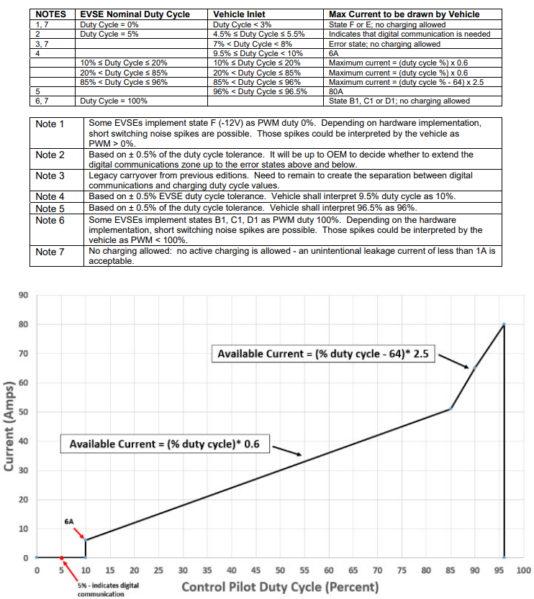
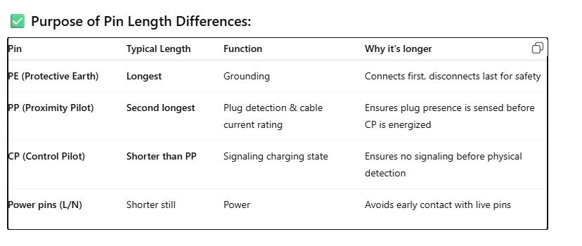
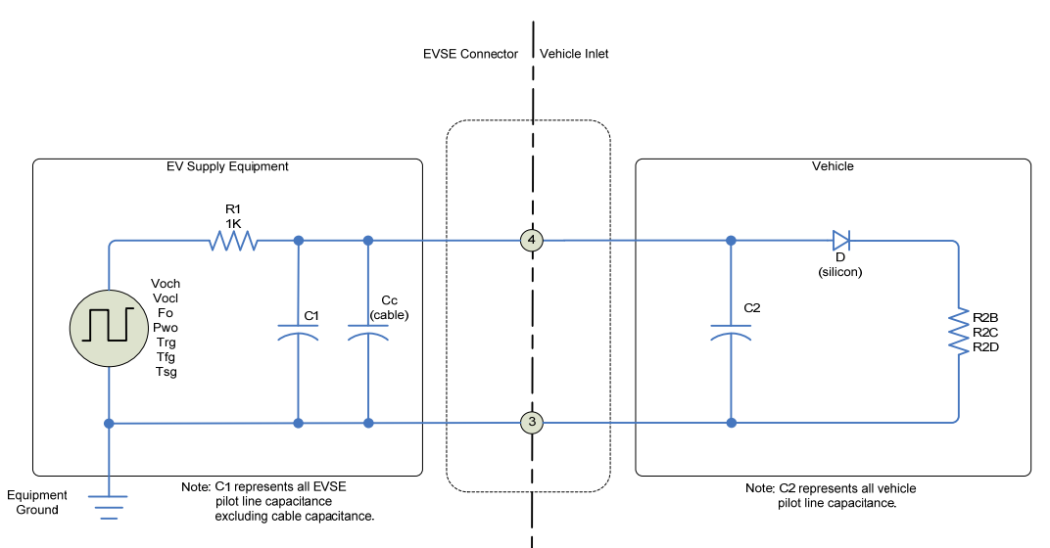
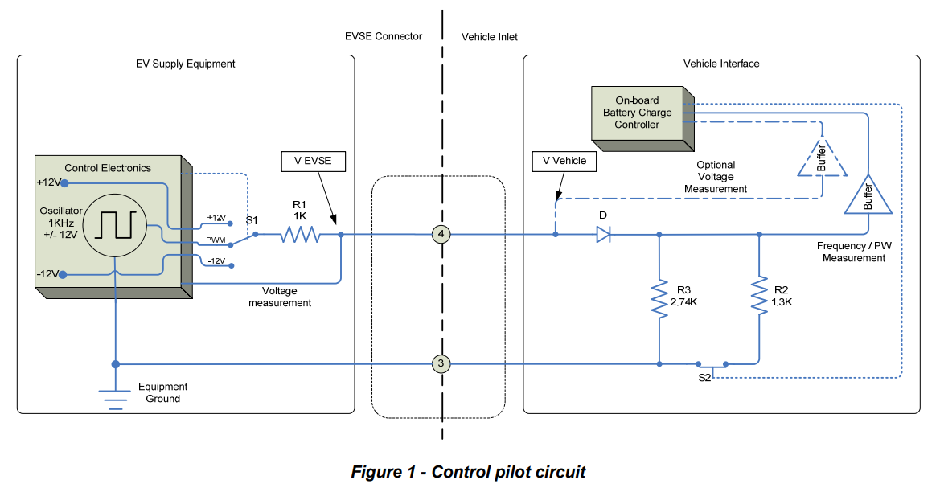
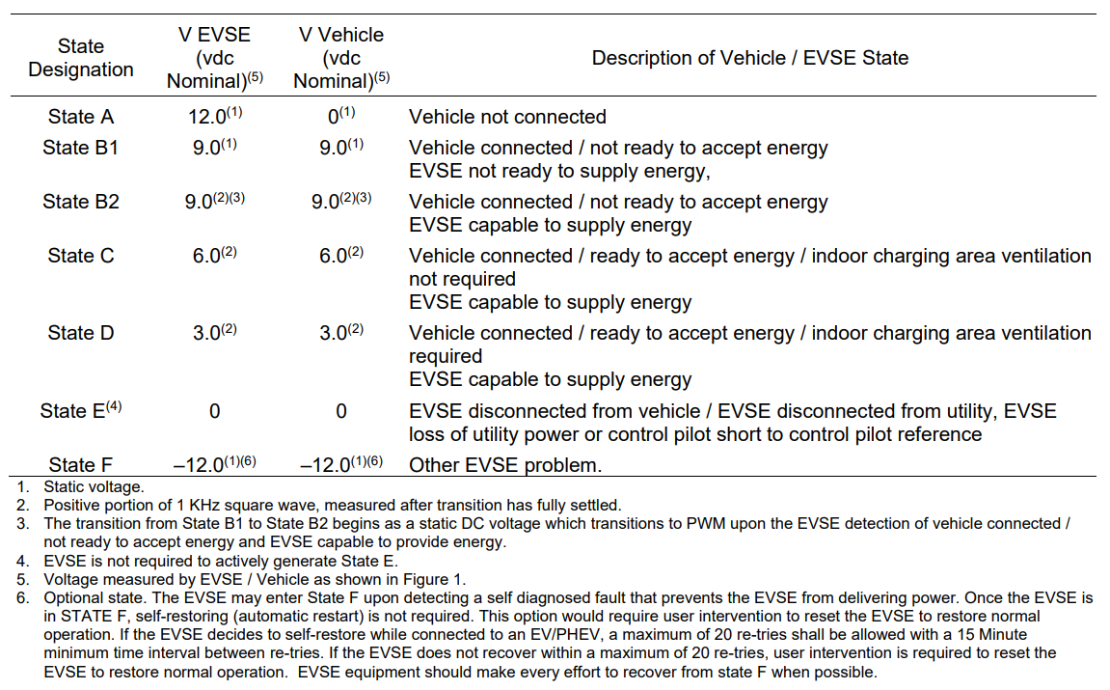

 |  |  |  |  |  |  |  |  | c

 | Parameter | Symbol | Unit | Nominal | Max | Min
 | State Bs | R2B | Ω | 2740 | 2822.2 | 2657.8 | 3%
 | State C | R2C | Ω | 882 | 908.46 | 855.54
Simulate missing diode, voltage in undefined states | State D | R2D | Ω | 246 | 253.38 | 238.62
 | Total equiv. cap | C2 | picofarads | n.a. | 2400 | n.a.
 | diode volt drop | Vd | V | 0.7 | 0.85 | 0.55

 | Control pilot state voltage range reference
 | State | Nominal | Nominal | Max
 | B1 | 8.36 | 9 | 9.59
 | B2 | 8.36 | 9 | 9.59
 | C | 5.47 | 6 | 6.53
 | D | 2.58 | 3 | 3.28

 | Control pilot state boundary voltage range reference
 | State | Nominal | Nominal | Max
 | B1 | 8 | 9 | 10
 | B2 | 8 | 9 | 10
 | C | 5 | 6 | 7 |  |  |  | 1:state A, 2:State B1, 3:State B2, 4:State C, 5:State D, 6:State E, 7:State F, 8: Pilot error
 | D | 2 | 3 | 4

